Sheet1
Surface roughness measurement
Lens magnification

Measurement equipment :
VK-X Series
Measurement mode
Main image
Scale-limited surface
Measurement size

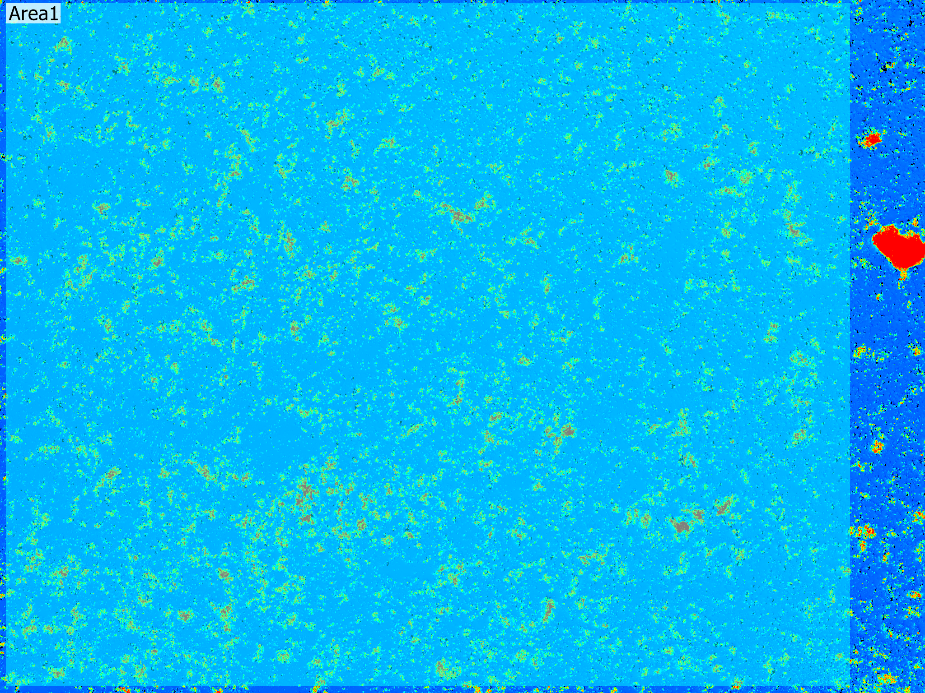
Image size

Detail settings

Analysis condition
Measurement result

Measurement date and time :

